SETB Q2
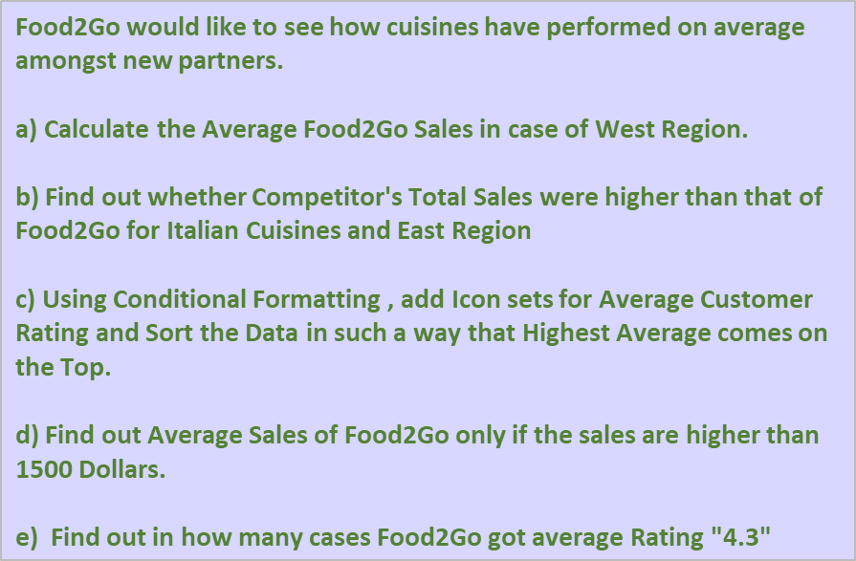
New F&B Partners |  |  |  |  |  |  | Your Roll No = | ??
Partner ID | Cuisine | Delivery District | Orders/Week | Average Customer Rating | Competitor Sales / week | Food2Go Sales / week
206 | Greek | North | 48 | 4.2 | $1,498.00 | $1,375.00
125 | Vietnamese | South | 6 | 2.9 | $624.00 | $128.00
186 | Chinese | East | 7 | 2.4 | $567.00 | $329.00
345 | German | Northeast | 13 | 2.7 | $360.00 | $162.00
189 | Thai | Northeast | 84 | 4.3 | $2,081.00 | $2,478.00
402 | Chinese | North | 65 | 1.2 | $1,413.00 | $354.00
307 | Italian | East | 85 | 4.1 | $1,564.00 | $1,065.00
284 | Spanish | West | 91 | 4.8 | $1,004.00 | $1,181.00
103 | Indian | West | 65 | 4.3 | $967.00 | $1,023.00
243 | Italian | North | 81 | 3.5 | $903.00 | $1,897.00
139 | Nepalese | Southwest | 71 | 4.6 | $932.00 | $1,482.00
251 | Japanese | North | 63 | 2.9 | $702.00 | $1,127.00
163 | Thai | South | 55 | 3.4 | $894.00 | $1,507.00
372 | Japanese | Northeast | 91 | 3.2 | $381.00 | $1,128.00
253 | Singaporean | Northwest | 68 | 3.8 | $1,613.00 | $1,249.00
249 | Mexican | North | 86 | 3.2 | $973.00 | $866.00
306 | Indian | East | 35 | 4.5 | $595.00 | $1,400.00
171 | Thai | East | 75 | 4.1 | $281.00 | $1,454.00
134 | Korean | West | 7 | 2.6 | $308.00 | $618.00
190 | German | West | 74 | 3.4 | $1,693.00 | $456.00
128 | Singaporean | North | 90 | 4.2 | $1,440.00 | $1,088.00
101 | Thai | Northeast | 42 | 4.2 | $1,299.00 | $1,147.00
183 | Japanese | East | 100 | 4.9 | $1,825.00 | $1,923.00
241 | Tibetan | West | 97 | 4.4 | $1,680.00 | $1,423.00
328 | Greek | West | 42 | 3.8 | $1,102.00 | $242.00
310 | Indian | Southeast | 77 | 3.4 | $1,255.00 | $754.00
192 | Greek | East | 67 | 4.9 | $1,922.00 | $1,607.00
276 | French | South | 1 | 2.9 | $948.00 | $53.00
215 | Chinese | Southeast | 90 | 4.1 | $1,521.00 | $1,335.00
106 | Italian | South | 102 | 4.3 | $2,081.00 | $2,316.00
216 | Indian | North | 42 | 4.1 | $718.00 | $909.00
294 | Thai | West | 84 | 3.9 | $421.00 | $886.00
242 | Thai | North | 37 | 4.9 | $972.00 | $1,584.00
123 | Vietnamese | East | 31 | 3.1 | $1,948.00 | $676.00
144 | Japanese | Southwest | 91 | 4.3 | $1,997.00 | $1,434.00
382 | Tibetan | Southeast | 30 | 4.2 | $61.00 | $967.00
157 | Vietnamese | East | 13 | 2.8 | $248.00 | $90.00
364 | Italian | Northeast | 33 | 3.4 | $623.00 | $571.00
326 | Italian | Southwest | 40 | 4.6 | $264.00 | $759.00
155 | Chinese | West | 65 | 3.1 | $201.00 | $406.00
293 | French | Northeast | 12 | 2.6 | $950.00 | $329.00
173 | Chinese | North | 65 | 3.8 | $864.00 | $1,996.00
261 | Chinese | Southwest | 74 | 3.6 | $1,933.00 | $1,974.00
126 | Korean | West | 35 | 4.2 | $822.00 | $1,663.00
130 | Korean | Northwest | 50 | 3.9 | $1,395.00 | $168.00
321 | Nepalese | North | 83 | 3.6 | $1,248.00 | $533.00
177 | Mexican | North | 48 | 4.5 | $202.00 | $1,893.00
111 | Mexican | East | 87 | 4.7 | $1,135.00 | $1,308.00
107 | Chinese | West | 46 | 3.4 | $304.00 | $1,267.00
303 | Japanese | West | 96 | 4.8 | $1,638.00 | $1,893.00

